Sheet2
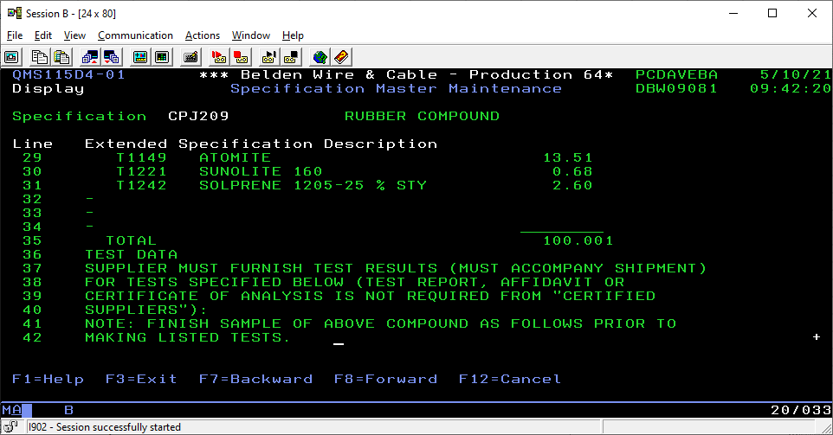
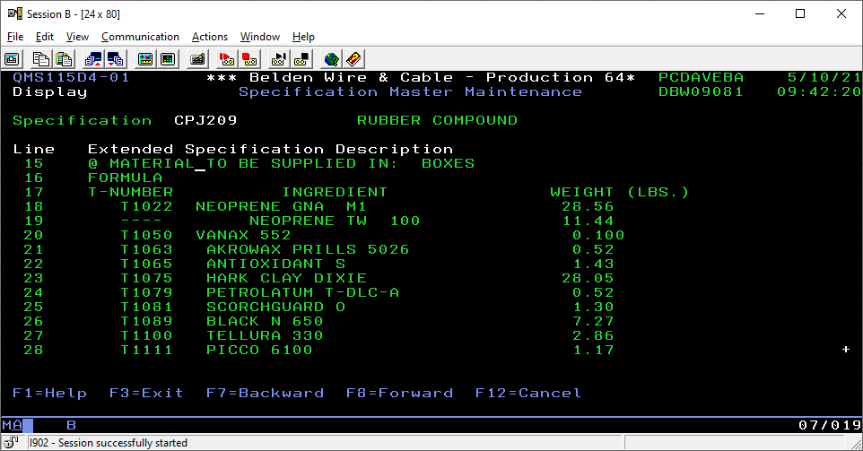
Stuff | Amnt
NEOPRENE GNA M1 | 28.56
HARK CLAY DIXIE | 28.05
ATOMITE | 13.51
NEOPRENE TW 100 | 11.44
BLACK N 650 | 7.27
TELLURA 330 | 2.86
SOLPRENE | 2.6
ANTIOXIDANT S | 1.43
SCORCHGUARD O | 1.3
PICCO 6100 | 1.17
SUNOLITE | 0.68
AKROWAX PRILLS 5026 | 0.52
PETROLATUM T-DLC-A | 0.52
VANAX 552 | 0.1

